Tabelle1
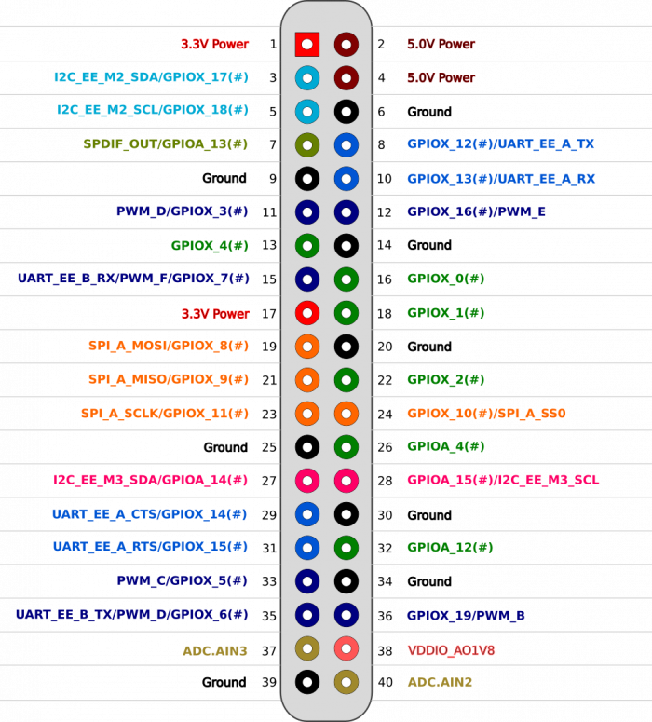
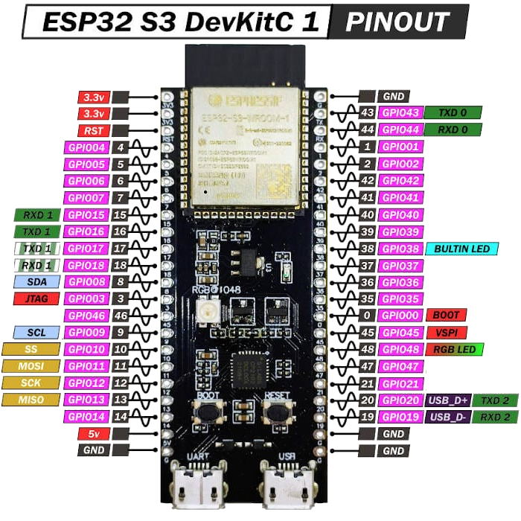
150Rc
150Rc
150Rc
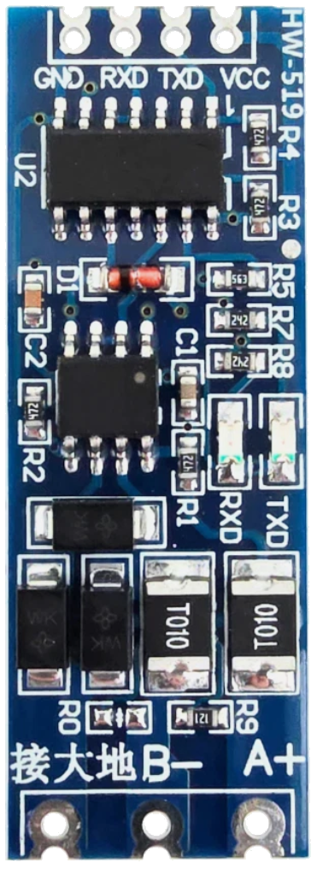
150Rc
Request
Tx
150Rc
 |  |  |  | Tx+
 |  |  | FPGA 3V3
 |  |  | Tx Master | Tx-
 |  |  |  |  | Umbilical Connecor pin assignments
Gnd
1 2 3 4 5
C
B
A
 |  |  | Gnd

Response
Rx
150Rc
 |  | F12 Tx Master
 |  |  |  | Rx+
 |  |  | FPGA 3V3
 |  | G14 Rx Slave |  | Rx-
150Rc
 |  |  | Rx Slave
Gnd
 |  |  | Gnd

SPI SCK G1
SPI MOSI H1
SPI CS J1
SPI MISO L1
 |  |  |  |  | C | Tx- |  |  | Rx- | Rx+
 |  |  |  |  | B | Tx+ |  | 24Brk | 24Vsys | 12V
 |  |  |  |  | A | Gnd |  | 77V

 |  |  |  |  |  | 1 | 2 | 3 | 4 | 5

Gnd
FPGA 3V3
 |  | Gnd
 |  | 5V

 | Odroid N2+ Pinheader

Tabelle2
J6
J5
J4
J3
J2
J1
EN87C196KC20 Intel CHMOS Microcontroller
100V 330uF
Lattice ispLSI1016 FPGA
25 Pin Header
MC34074AD Quad OP
AD780 Ref V
100V 330uF
8 Pin Header
IR2132S HV Gate Driver 3-Phase
SN74HC05 Inverter
Motor J1
Motor J2
Motor J3
SN74HC05 Inverter
IR2132S HV Gate Driver 3-Phase
IR2132S HV Gate Driver 3-Phase
Motor J3
Motor J2
Motor J1
Tamagawa AU6588 F0552D559 Resolver to Digital conversion IC
Lattice ispLSI1016 FPGA
Tamagawa AU6588 F0552D559 Resolver to Digital conversion IC
XM62AC
4xDiffLineRec
CMX-309FL-C 10MHz Oscillator
CMX-309FL-C 10MHz Oscillator
Tamagawa AU6588 F0552D559 Resolver to Digital conversion IC
IDT 71256 CMOS Static RAM 256K
IDT 71256 CMOS Static RAM 256K
TI TMS320C20 Digital Signal Processor
AMD - AM29F200BB Boot Sector Flash Memory
Lattice ispLSI1016 FPGA
8 Pin Header
14 Pin Header
Encoder J3
Encoder J1
Encoder J2
J1 - J3 Sub Controller Bottom PCB
J1 - J3 Sub-Controller Top PCB

